Pedigree
 | Concrete manufacture - base case |  |  |  |  |  |  |  |  | Base case (kg CO2 emissions/tonne concrete) |  |  | 192.8 |  |  |  |  |  |  | Result of variation (kg CO2 emissions/tonne concrete) | 192.8
 |  |  |  |  |  |  |  |  |  |  |  |  |  |  | Variation (%) | 10
 | Basis (tonnes) | 1000 |  |  |  |  |  |  |  |  |  |  |  |  |  |  |  |  |  |  |  | Pedigree ranking (1 = excellent, 5 = poor)
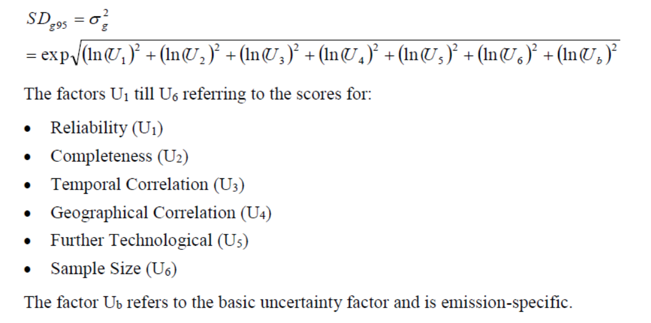
 |  |  |  |  |  |  |  |  |  |  | Concrete composition |  |  |  | Concrete composition (kg in mixture) |  |  | kg CO2 emissions/tonne concrete) |  | % difference from base case |  | Reliability | Completeness | Temporal | Geographical | Technological | Uncertainty Score (SDg95) |  | Pedigree ranking | Uncertainty score (SDg95) | Sensitivity (%) | Overall
 | Materials | kg/tonne concrete | Tonnes |  |  |  |  |  |  | Materials | kg in mixture | mass fraction |  | Materials | Base case | Low | High | Low | High | Low | High |  |  |  |  |  |  | Concrete composition
 | Cement | 126 | 126 |  |  |  |  |  |  | Cement | 126 | 0.126 |  | Cement | 126 | 113.4 | 138.6 | 176.0 | 209.1 | -8.70 | 8.48 |  |  |  |  |  | 1.00 | Cement | ,,,, | 1.00 | 8.70 | 8.7
 | Macadam | 321 | 321 |  |  |  |  |  |  | Macadam | 321 | 0.320 |  | Macadam | 321 | 288.9 | 353.1 | 199.0 | 186.9 | 3.24 | -3.04 |  |  |  |  |  | 1.00 | Macadam | ,,,, | 1.00 | 3.24 | 3.2
 | Gravel | 469 | 469 |  |  |  |  |  |  | Gravel | 469 | 0.467 |  | Gravel | 469 | 422.1 | 515.9 | 202.1 | 184.4 | 4.80 | -4.38 |  |  |  |  |  | 1.00 | Gravel | ,,,, | 1.00 | 4.80 | 4.8
 | Plasticiser | 0.65 | 0.65 |  |  |  |  |  |  | Plasticiser | 0.65 | 0.001 |  | Plasticiser | 0.65 | 0.585 | 0.715 |  |  |  |  |  |  |  |  |  | 1.00 | Plasticiser | ,,,, | 1.00 | 0.00 | 0.0
 | Water | 87 | 87 |  |  |  |  |  |  | Water | 86.7 | 0.086 |  | Water | 86.7 | 78.03 | 95.37 | 194.5 | 191.2 | 0.87 | -0.86 |  |  |  |  |  | 1.00 | Water | ,,,, | 1.00 | 0.87 | 0.9
 | Total (fixed) | 1003.35 |  |  |  |  |  |  |  | Total (kg) | 1003.35 |  |  | Total (kg)

 | Tonnes cement needed | 126.0
 |  |  |  |  |  |  |  |  |  |  | Cement composition |  |  |  | Cement composition (kg in mixture) |  |  | kg CO2 emissions/tonne concrete) |  | % difference from base case
 | Material | kg/tonne cement (dry basis) | tonnes needed |  |  |  |  |  |  | Material | kg in mixture | mass fraction |  | Material | Base case | Low | High | Low | High | Low | High |  |  |  |  |  |  | Cement Composition
 | Calcium oxide, CaO | 670 | 84.4 |  |  |  |  |  |  | Calcium oxide, CaO | 670 | 0.67 |  | Calcium oxide, CaO | 670 | 603 | 737 | 189.0 | 196.2 | -1.99 | 1.74 |  |  |  |  |  | 1.00 | Calcium oxide | ,,,, | 1.00 | 1.99 | 2.0
 | Fireclay | 300 | 37.8 |  |  |  |  |  |  | Fireclay | 300 | 0.3 |  | Fireclay | 300 | 270 | 330 | 195.9 | 189.8 | 1.63 | -1.54 |  |  |  |  |  | 1.00 | Fireclay | ,,,, | 1.00 | 1.63 | 1.6
 | Gypsum | 30 | 3.8 |  |  |  |  |  |  | Gypsum | 30 | 0.03 |  | Gypsum | 30 | 27 | 33 | 193.3 | 192.3 | 0.28 | -0.28 |  |  |  |  |  | 1.00 | Gypsum | ,,,, | 1.00 | 0.28 | 0.3
 | Total | 1000 | 126.0 |  |  |  |  |  |  | Total (kg) | 1000

 | Burning limestone | CaCO3 to CaO + CO2
 |  | 1 mol CaCO3 will produce 1 mol CaO and 1 mol CO2

 | Material | Mass (kg) | MW (g/mol) | Mols/kg
Reactant | CaCO3 | 1 | 100 | 10
Product | CaO | 0.56 | 56 | 10
Product | CO2 | 0.44 | 44 | 10

 | Raw limestone needed (tonnes) = (Calcium oxide needed (tonnes) / (Calcium oxide produced per tonne limestone))/(Calcium carbonate content of the limestone)
 |  |  |  |  |  |  |  |  |  |  |  |  |  |  | Limestone reaction and properties |  |  | kg CO2 emissions/tonne concrete) |  | % difference from base case |  |  |  |  |  |  |  |  | Pedigree ranking | Uncertainty score (SDg95) | Sensitivity (%) | Overall
 | Calcium oxide, CaO needed (tonnes) | 84.42 |  |  |  |  |  |  |  | Limestone reaction and properties |  |  |  | Limestone reaction and properties | Base case | Low | High | Low | High | Low | High |  |  |  |  |  |  | Limestone reaction and properties
 | Calcium oxide produced per tonne limestone | 0.56 |  |  |  |  |  |  |  | Calcium oxide produced per tonne limestone | 0.56 |  |  | Calcium oxide produced per tonne limestone | 0.56 | 0.50 | 0.62 | 212.2 | 177.1 | 10.07 | -8.12 | 4 | 1 | 1 | 1 | 1 | 1.83 | Calcium oxide produced per tonne limestone | 4,1,1,1,1 | 1.83 | 10.07 | 18.4 | Stoichiometric calculation
 | Calcium carbonate content of limestone | 0.96 |  |  |  |  |  |  |  | Calcium carbonate content of limestone | 0.96 |  |  | Calcium carbonate content of limestone | 0.96 | 0.86 | 1.06 | 211.6 | 177.5 | 9.75 | -7.92 | 1 | 1 | 5 | 1 | 1 | 2.46 | Calcium carbonate content of limestone | 1,1,5,1,1 | 2.46 | 9.75 | 24.0 | Old report
 | Raw limestone needed (tonnes) | 157

 | Raw fireclay needed (tonnes) = Fireclay needed (tonnes)/Fireclay content of the rock
 |  |  |  |  |  |  |  |  |  |  |  |  |  |  | Fireclay properties |  |  | kg CO2 emissions/tonne concrete) |  | % difference from base case |  |  |  |  |  |  |  |  | Pedigree ranking | Uncertainty score (SDg95) | Sensitivity (%) | Overall
 | Fireclay needed (tonnes) | 37.8 |  |  |  |  |  |  |  | Fireclay properties |  |  |  | Fireclay properties | Base case | Low | High | Low | High | Low | High
 | Fireclay content of rock | 0.832 |  |  |  |  |  |  |  | Fireclay content of rock | 0.832 |  |  | Fireclay content of rock | 0.832 | 0.75 | 0.92 | 194.7 | 191.2 | 0.96 | -0.84 | 1 | 1 | 5 | 1 | 1 | 2.46 | Fireclay content of rock | 1,1,5,1,1 | 2.46 | 0.96 | 2.4 | Old report
 | Raw fireclay needed (tonnes) | 45.4

 |  |  |  |  |  |  |  |  |  |  |  |  |  |  | Transport gCO2/tonne.km |  |  | kg CO2 emissions/tonne concrete) |  | % difference from base case |  |  |  |  |  |  |  |  | Pedigree ranking | Uncertainty score (SDg95) | Sensitivity (%) | Overall
 | Transport | gCO2/tonne.km |  |  |  |  |  |  |  | Transport | gCO2/tonne.km |  |  | Transport | Base case | Low | High | Low | High | Low | High |  |  |  |  |  |  | Transport
 | Rail | 28 |  |  |  |  |  |  |  | Rail | 28 |  |  | Rail | 28 | 25.20 | 30.80 | 192.8 | 192.8 | 0.00 | 0.00 | 1 | 1 | 1 | 2 | 1 | 1.15 | Rail | 1,1,1,2,1 | 1.15 | 0.00 | 0.0 | Averaged everywhere
 | Small container vessel | 12 |  |  |  |  |  |  |  | Small container vessel | 12 |  |  | Small container vessel | 12 | 10.80 | 13.20 | 192.8 | 192.8 | -0.01 | 0.01 | 1 | 1 | 1 | 2 | 1 | 1.15 | Small container vessel | 1,1,1,2,1 | 1.15 | 0.01 | 0.0
 | Road transport | 135 |  |  |  |  |  |  |  | Road transport | 135 |  |  | Road transport | 135 | 121.50 | 148.50 | 192.5 | 193.1 | -0.17 | 0.16 | 1 | 1 | 1 | 2 | 1 | 1.15 | Road transport | 1,1,1,2,1 | 1.15 | 0.17 | 0.2

 | Transport
 |  |  |  |  |  |  | CO2 emissions |  |  |  |  |  |  |  | Transport distance (km) |  |  | kg CO2 emissions/tonne concrete) |  | % difference from base case |  |  |  |  |  |  |  |  | Pedigree ranking | Uncertainty score (SDg95) | Sensitivity (%) | Overall
 | Material | Origin | Destination | Distance (km) | Transport mode | Mass (tonnes) | (g CO2/tonne.km) | (kg CO2/tonne) | kg CO2 | Transport distances | Distance (km) |  |  | Transport distances | Base case | Low | High | Low | High | Low | High |  |  |  |  |  |  | Transport distances
 | Limestone | Oparure Quarry | Graymont, Otorohanga | 20 | Truck | 157 | 135 | 2.70 | 424 | Oparure Quarry - Graymont, Otorohanga | 20 |  |  | Oparure Quarry - Graymont, Otorohanga | 20 | 18 | 22 | 192.8 | 192.8 | -0.02 | 0.02 | 1 | 1 | 1 | 1 | 1 | 1.00 | Oparure Quarry - Graymont, Otorohanga | 1,1,1,1,1 | 1.00 | 0.02 | 0.0
 | Fireclay | Huntly Quarry | Graymont, Otorohanga | 91.3 | Truck | 45.4 | 135 | 12.33 | 560 | Huntly Quarry - Graymont, Otorohanga | 91.3 |  |  | Huntly Quarry - Graymont, Otorohanga | 91.3 | 82 | 100 | 192.7 | 192.9 | -0.03 | 0.03 | 1 | 1 | 1 | 1 | 1 | 1.00 | Huntly Quarry - Graymont, Otorohanga | 1,1,1,1,1 | 1.00 | 0.03 | 0.0
 | Gypsum | Lake McDonnell | Thevenard | 64 | Train | 3.8 | 28 | 1.79 | 7 | Lake McDonnell - Thevenard | 64 |  |  | Lake McDonnell - Thevenard | 64 | 58 | 70 | 192.8 | 192.8 | 0.00 | 0.00 | 1 | 1 | 1 | 1 | 1 | 1.00 | Lake McDonnell - Thevenard | 1,1,1,1,1 | 1.00 | 0.00 | 0.0
 | Gypsum | Thevenard | Port of Tauranga | 5126 | Ship | 3.8 | 12 | 61.51 | 233 | Thevenard - Port of Tauranga | 5126 |  |  | Thevenard - Port of Tauranga | 5126 | 4614 | 5639 | 192.8 | 192.8 | -0.01 | 0.01 | 2 | 1 | 1 | 1 | 1 | 1.37 | Thevenard - Port of Tauranga | 2,1,1,1,1 | 1.37 | 0.01 | 0.0 | Shipping distance data based on estimate from website
 | Gypsum | Port of Tauranga | Graymont, Otorohanga | 143 | Truck | 3.8 | 135 | 19.31 | 73 | Port of Tauranga - Graymont, Otorohanga | 143 |  |  | Port of Tauranga - Graymont, Otorohanga | 143 | 129 | 157 | 192.8 | 192.8 | 0.00 | 0.00 | 1 | 1 | 1 | 1 | 1 | 1.00 | Port of Tauranga - Graymont, Otorohanga | 1,1,1,1,1 | 1.00 | 0.00 | 0.0
 | Cement | Graymont, Otorohanga | Allied Concrete | 73.4 | Truck | 126 | 135 | 9.91 | 1249 | Graymont, Otorohanga - Allied Concrete | 73.4 |  |  | Graymont, Otorohanga - Allied Concrete | 73.4 | 66 | 81 | 192.7 | 192.9 | -0.07 | 0.07 | 1 | 1 | 1 | 1 | 1 | 1.00 | Graymont, Otorohanga - Allied Concrete | 1,1,1,1,1 | 1.00 | 0.07 | 0.1
 | Aggregate and gravel | Fulton Hogan, Ngaruawhahia | Allied Concrete | 8.1 | Truck | 790 | 135 | 1.09 | 864 | Fulton Hogan, Ngaruawhahia - Allied Concrete | 8.1 |  |  | Fulton Hogan, Ngaruawhahia - Allied Concrete | 8.1 | 7 | 9 | 192.7 | 192.9 | -0.06 | 0.05 | 1 | 1 | 1 | 1 | 1 | 1.00 | Fulton Hogan, Ngaruawhahia - Allied Concrete | 1,1,1,1,1 | 1.00 | 0.06 | 0.1
 |  |  |  |  |  |  |  | Total | 3409

 |  |  |  |  |  |  |  |  |  |  |  |  |  |  | Material impact (kg CO2/tonne) |  |  | kg CO2 emissions/tonne concrete) |  | % difference from base case |  |  |  |  |  |  |  |  | Pedigree ranking | Uncertainty score (SDg95) | Sensitivity (%) | Overall
 | Material | Tonnes | kg CO2/tonne | kg CO2 |  |  |  |  |  | Material | kg CO2/tonne |  |  | Material | Base case | Low | High | Low | High | Low | High |  |  |  |  |  |  | Material impact (kg CO2/tonne)
 | Limestone | 157 | 2.74 | 430 |  |  |  |  |  | Limestone | 2.74 |  |  | Limestone | 2.74 | 2.46 | 3.01 | 192.8 | 192.8 | -0.02 | 0.02 | 4 | 1 | 1 | 1 | 2 | 2.11 | Limestone | 4,1,1,1,2 | 2.11 | 0.02 | 0.0 | Based on other LCA calculations
 | Fireclay | 45.4 | 2.74 | 124 |  |  |  |  |  | Fireclay | 2.74 |  |  | Fireclay | 2.74 | 2.46 | 3.01 | 192.8 | 192.8 | -0.01 | 0.01 | 4 | 1 | 1 | 1 | 2 | 2.11 | Fireclay | 4,1,1,1,2 | 2.11 | 0.01 | 0.0
 | Gypsum | 3.8 | 5.50 | 21 |  |  |  |  |  | Gypsum | 5.50 |  |  | Gypsum | 5.50 | 4.95 | 6.05 | 192.8 | 192.8 | 0.00 | 0.00 | 4 | 1 | 1 | 2 | 2 | 2.13 | Gypsum | 4,1,1,2,2 | 2.13 | 0.00 | 0.0
 | Aggregate and gravel | 790 | 2.74 | 2165 |  |  |  |  |  | Aggregate and gravel | 2.74 |  |  | Aggregate and gravel | 2.74 | 2.46 | 3.01 | 192.6 | 193.0 | -0.11 | 0.11 | 4 | 1 | 1 | 1 | 2 | 2.11 | Aggregate and gravel | 4,1,1,1,2 | 2.11 | 0.11 | 0.2
 | Water | 86.7 | 0.42 | 36 |  |  |  |  |  | Water | 0.42 |  |  | Water | 0.42 | 0.38 | 0.46 | 192.8 | 192.8 | 0.00 | 0.00 | 2 | 1 | 1 | 1 | 2 | 1.71 | Water | 2,1,1,1,2 | 1.71 | 0.00 | 0.0
 |  |  | Total | 2777
 |  |  |  |  |  |  |  |  |  |  |  |  |  |  | Emissions from electricity, NZ (kg CO2/MJ) |  |  | kg CO2 emissions/tonne concrete) |  | % difference from base case
 |  |  |  |  |  |  |  |  |  |  |  |  |  |  | Base case | Low | High | Low | High | Low | High
 | Emissions from electricity, NZ (kg CO2/MJ) |  | 0.031 |  |  |  |  |  |  | Emissions from electricity, NZ (kg CO2/MJ) | 0.031 |  |  | Emissions from electricity, NZ (kg CO2/MJ) | 0.031 | 0.028 | 0.034 | 192.7 | 192.9 | -0.05 | 0.05 | 1 | 1 | 1 | 1 | 1 | 1.00 | Emissions from electricity, NZ (kg CO2/MJ) | 1,1,1,1,1 | 1.00 | 0.05 | 0.1

 |  |  |  |  |  |  |  |  |  |  |  |  |  |  | Power (kWhr/tonne) |  |  | kg CO2 emissions/tonne concrete) |  | % difference from base case
 | Electricity consumption | Tonnes | Power (kWhr/tonne) | Power (kWhr) | Power (MJ) | CO2 emissions (kg CO2) |  |  |  | Electricity consumption | Power (kWhr/tonne) |  |  | Electricity consumption | Base case | Low | High | Low | High | Low | High |  |  |  |  |  |  | Electricity consumption
 | Grinding limestone and clay | 202.5 | 25 | 5062 | 18222 | 565 |  |  |  | Grinding limestone and clay | 25 |  |  | Grinding limestone and clay | 25 | 22.5 | 27.5 | 192.7 | 192.9 | -0.03 | 0.03 | 3 | 1 | 2 | 1 | 1 | 1.65 | Grinding limestone and clay | 3,1,2,1,1 | 1.65 | 0.03 | 0.1
 | Grinding the clinker and gypsum | 126 | 35 | 4410 | 15876 | 492 |  |  |  | Grinding the clinker and gypsum | 35 |  |  | Grinding the clinker and gypsum | 35 | 31.5 | 38.5 | 192.8 | 192.9 | -0.02 | 0.03 | 3 | 1 | 2 | 1 | 1 | 1.65 | Grinding the clinker and gypsum | 3,1,2,1,1 | 1.65 | 0.03 | 0.0
 |  |  |  |  | Total | 1057
 |  |  |  |  |  |  |  |  |  |  |  |  |  |  | Water content |  |  | kg CO2 emissions/tonne concrete) |  | % difference from base case
 | Material | Water content | Heat capacity (kJ/kg.K) | Heat of evaporation (kJ/kg) | Temperature of vaporisation (oC) |  |  |  |  | Material | Water content |  |  | Material | Base case | Low | High | Low | High | Low | High |  |  |  |  |  |  | Material water content
 | Limestone | 0.020 | 0.909 |  |  |  |  |  |  | Limestone | 0.020 |  |  | Limestone | 0.02 | 0.018 | 0.022 | 193.0 | 192.6 | 0.11 | -0.11 | 1 | 1 | 5 | 1 | 1 | 2.46 | Limestone | 1,1,5,1,1 | 2.46 | 0.11 | 0.3
 | Fireclay | 0.168 | 0.878 |  |  |  |  |  |  | Fireclay | 0.168 |  |  | Fireclay | 0.168 | 0.25 | 0.08 | 194.7 | 191.2 | 1.0 | -0.8 | 1 | 1 | 5 | 1 | 1 | 2.46 | Fireclay | 1,1,5,1,1 | 2.46 | 0.96 | 2.4
 | Water |  | 4.182 | 2257 | 100
 |  |  |  |  |  |  |  |  |  |  |  |  |  |  | Heat capacity (kJ/kg.K) |  |  | kg CO2 emissions/tonne concrete) |  | % difference from base case
 | Starting temperature (oC) | 25 |  |  | Coal CV (MJ/kg) | 30 |  |  |  | Material | Heat capacity (kJ/kg.K) |  |  | Material | Base case | Low | High | Low | High | Low | High |  |  |  |  |  |  | Material heat capacity
 | Final temperature (oC) | 800 |  |  | CO2 emissions burning coal (kg CO2/kg coal) | 3.32 |  |  |  | Limestone | 0.909 |  |  | Limestone | 0.909 | 0.818 | 1.000 | 191.3 | 194.3 | -0.78 | 0.78 | 2 | 1 | 1 | 1 | 1 | 1.37 | Limestone | 2,1,1,1,1 | 1.37 | 0.78 | 1.1
 | Efficiency of drier | 0.8 |  |  |  |  |  |  |  | Fireclay | 0.878 |  |  | Fireclay | 0.878 | 0.790 | 0.966 | 192.4 | 193.2 | -0.18 | 0.19 | 2 | 1 | 1 | 1 | 1 | 1.37 | Fireclay | 2,1,1,1,1 | 1.37 | 0.19 | 0.3

 | Drying | Wet mass (tonnes) | Dry mass (tonnes) | Water (tonnes) | Heat to vaporise water (MJ) | Heat to heat up the material (MJ) | Total (MJ) |  |  |  |  |  |  |  | Value |  |  | kg CO2 emissions/tonne concrete) |  | % difference from base case
 | Limestone | 157 | 154 | 3.14 | 8073 | 108412 | 116486 |  |  | Parameter | Value |  |  | Parameter | Base case | Low | High | Low | High | Low | High |  |  |  |  |  |  | Operating parameters
 | Fireclay | 45.4 | 37.8 | 7.63 | 19621 | 25721 | 45342 |  |  | Starting dryer temperature (oC) | 25 |  |  | Starting dryer temperature (oC) | 25 | 22.5 | 27.5 | 192.9 | 192.7 | 0.04 | -0.04 | 2 | 1 | 2 | 1 | 1 | 1.49 | Starting dryer temperature (oC) | 2,1,2,1,1 | 1.49 | 0.04 | 0.1
 |  |  |  |  |  | Total (MJ) | 161828 |  |  | Final drying temperature (oC) | 800 |  |  | Final drying temperature (oC) | 800 | 720 | 880 | 190.9 | 194.7 | -0.99 | 0.99 | 2 | 1 | 2 | 1 | 1 | 1.49 | Final drying temperature (oC) | 2,1,2,1,1 | 1.49 | 0.99 | 1.5
 |  |  |  |  |  | Total heat required (accounting for efficiency) (MJ) | 202284 |  |  | Efficiency of drier | 0.8 |  |  | Efficiency of drier | 0.8 | 0.72 | 0.88 | 195.3 | 190.8 | 1.29 | -1.05 | 2 | 1 | 2 | 1 | 1 | 1.49 | Efficiency of drier | 2,1,2,1,1 | 1.49 | 1.29 | 1.9
 |  |  |  |  |  | Coal required (kg) | 6743 |  |  | Coal CV (MJ/kg) | 30 |  |  | Coal CV (MJ/kg) | 30 | 27 | 33 | 205.9 | 182.1 | 6.79 | -5.56 | 2 | 1 | 1 | 1 | 1 | 1.37 | Coal CV (MJ/kg) | 2,1,1,1,1 | 1.37 | 6.79 | 9.3
 |  |  |  |  |  | CO2 emissions (kg) | 22386 |  |  | CO2 emissions burning coal (kg CO2/kg coal) | 3.32 |  |  | CO2 emissions burning coal (kg CO2/kg coal) | 3.32 | 2.99 | 3.65 | 181.1 | 204.5 | -6.07 | 6.08 | 2 | 1 | 1 | 1 | 1 | 1.37 | CO2 emissions burning coal (kg CO2/kg coal) | 2,1,1,1,1 | 1.37 | 6.08 | 8.3
 |  |  |  |  |  |  |  |  |  | Calciner heat required (MJ heat/kg feed) | 4.5 |  |  | Calciner heat required (MJ heat/kg feed) | 4.5 | 4.05 | 4.95 | 183.3 | 202.3 | -4.95 | 4.95 | 2 | 1 | 1 | 1 | 1 | 1.37 | Calciner heat required (MJ heat/kg feed) | 2,1,1,1,1 | 1.37 | 4.95 | 6.8
 |  | Calcining reaction
 |  | Limestone (tonnes) | CaO (tonnes) | CO2 (tonnes)
 |  | 153.9 | 86.2 | 67.7
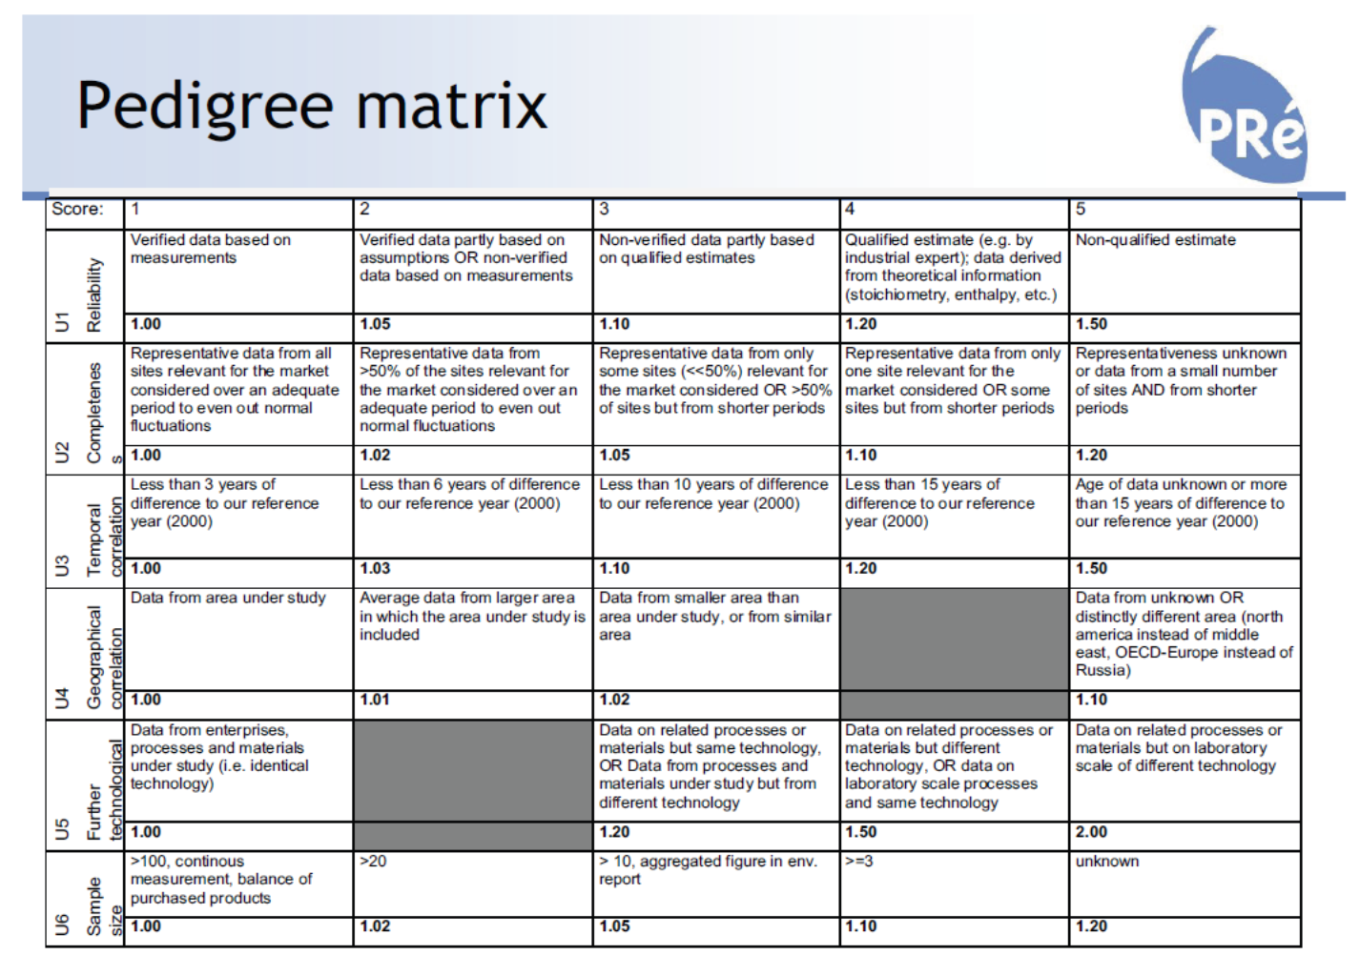

 |  | Coal CV (MJ/kg) | 30
 |  | CO2 emissions burning coal (kg CO2/kg coal) | 3.32

 | Heat required
 | Mass flow (tonnes) | MJ heat/kg feed | Total heat needed (MJ) | Coal required (tonnes) | CO2 emissions (tonnes CO2)
 | 191.7 | 4.5 | 862608 | 29 | 95.5

 | Process | CO2 emissions (kg) | CO2 emissions (kg/tonne concrete) | % of total
 | Raw material production | 2777 | 2.8 | 1.4
 | Transportation | 3409 | 3.4 | 1.8
 | Grinding raw materials | 565 | 0.6 | 0.3
 | Drying | 22386 | 22.4 | 11.6
 | Calcining | 163174 | 163.2 | 84.6
 | Grinding clinker | 492 | 0.5 | 0.3
 | Total | 192802 | 192.8

 | Total fuel required (tonnes) | 35
 | Cost of fuel ($/tonne) | 426
 | Cost of fuel ($) | 15133
 | Emissions trading scheme ($/unit) | 75
 | Tonnes CO2/unit | 2
 | Units produced | 96.4
 | ETS cost ($) | 7230

 | Total cost ($) | 22363
 | Cost ($/tonne concrete) | 22

 | Current price of coal is US$292/tonne

